Eerste conclusie
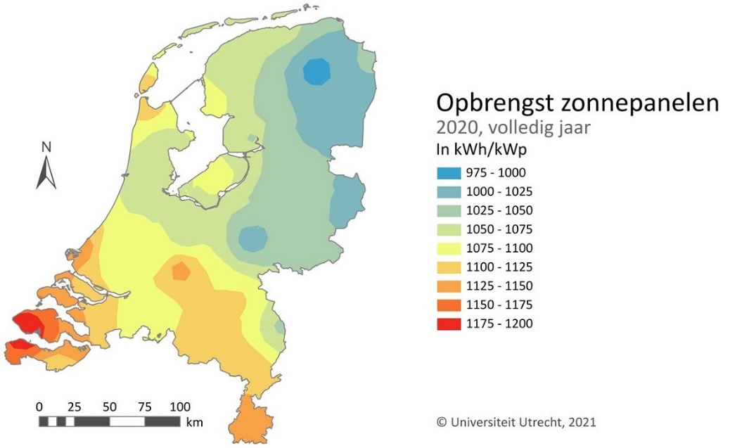
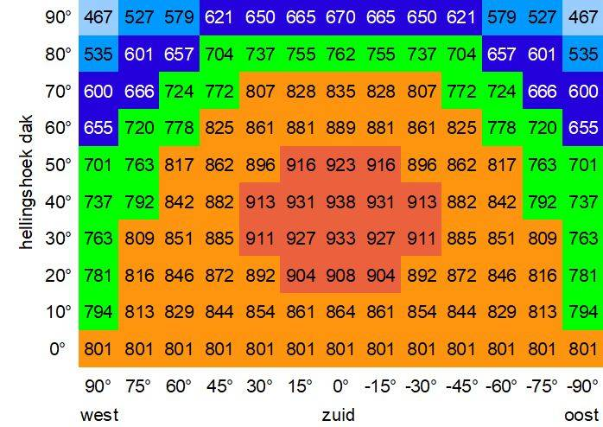
 |  | 2023 |  | 2025 |  | 2030
 |  | Consumption | peak value | Consumption | peak value | Consumption | peak value
 | bus depot | 17,500 MWh | 5,150 kVA | 21,000 MWh | 6,000 kVA | 31,500 MWh | 9,024 kVA
 | Municipal vehicle fleet | 800 MWh | 250 kVA | 5,000 MWh | 1,589 kVA | 10,000 MWh | 3,137 kVA
 | Municipal offices | 150 MWh | 100 kVA | 900 MWh | 100 kVA | 900 MWh | 100 kVA
 | sligro | 3,200 MWh | 1,000 kVA | 5,000 MWh | 1,500 kVA | 16,500 MWh | 4,850 kVA
 | Housing Housing Breburg | 375 MWh | 150 kVA | 3,750 MWh | 150 kVA | 3,750 MWh | 150 kVA

 | Total | 22,025 MWh | 6,650 kVA | 35,650 MWh | 9,339 kVA | 62,650 MWh | 17,261 kVA

† | 27-1 tuning Paul. Housing: 150 homes*2500 kWh/1000. For the housing of 3750 MWh, I translate that into approximately 1000 homes with a consumption of 3500 to 4000 kWh per household per year. Each house gets an 8kVA = 1x 35A connection, but due to the inequality in load, some peak loads and otherwise low loads (around 10kWh per day) that is an average of 450W, with an average margin of 2x, or 3x this would equate to a connection to medium voltage level of 900kVA or 1350kVA.
† | 27-`1 Attunement Paul. Consumption offices: 2877mm2 office at 50kWh/m2 = 143.85 MWh per year, gives a peak of 90 to 100kVA so a connection value 3x 160A 400V In the overview below I have calculated for the office as continuous operation. The peak value of 293kVA corresponds to a consumption of 500 MWh instead of 900MWh

 | To generate all the necessary electrical energy with solar panels, approximately 3 panels of 350Wp . are needed
 | per MWh of energy required. So for 2023 more than 67,000 PV panels. More than 95,000 PV panels and . by 2025
 | for 2030 more than 175,000 PV panels.
 | If you do nothing, the peak power (= connection value) will follow the trend of the required, increasing amount
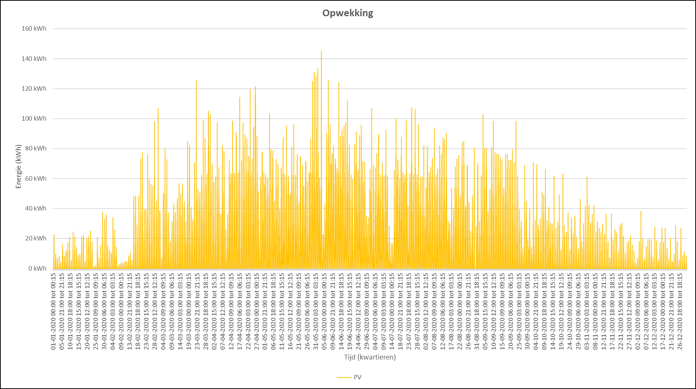
 | electrical energy (Consumption in MWh per year)
 | However, by not allowing all energy to run through the public network and, above all, by ensuring that during peak demand
 | If it does not have to run via the public grid, the grid load = maximum connection value can be reduced.
 | This can be done by smart charging and thus lowering the peaks (consumption optimisation) or by
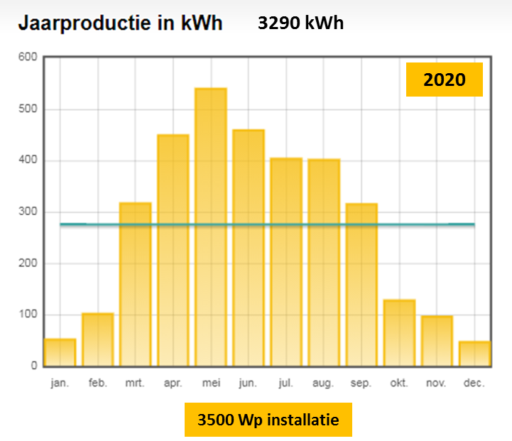
 | storage of solar energy at times when it is just needed and to use this stored energy at
 | peak demand (supply optimization through temporary storage in batteries)

 | The yield of PV panels depends on the position in relation to the sun. This already varies within the Netherlands,
 | but also the angle at which the sun's rays are captured (the so-called Hespul table).
 | In addition, the yield is seasonal.
 | The place in the Netherlands is fixed and the angle at which the sun's rays are caught can be |  |  |  |  |  |  |  | Quarterly yield 1000 PV panels measured in 2020
 | optimized, but the distribution over the seasons remains variable.
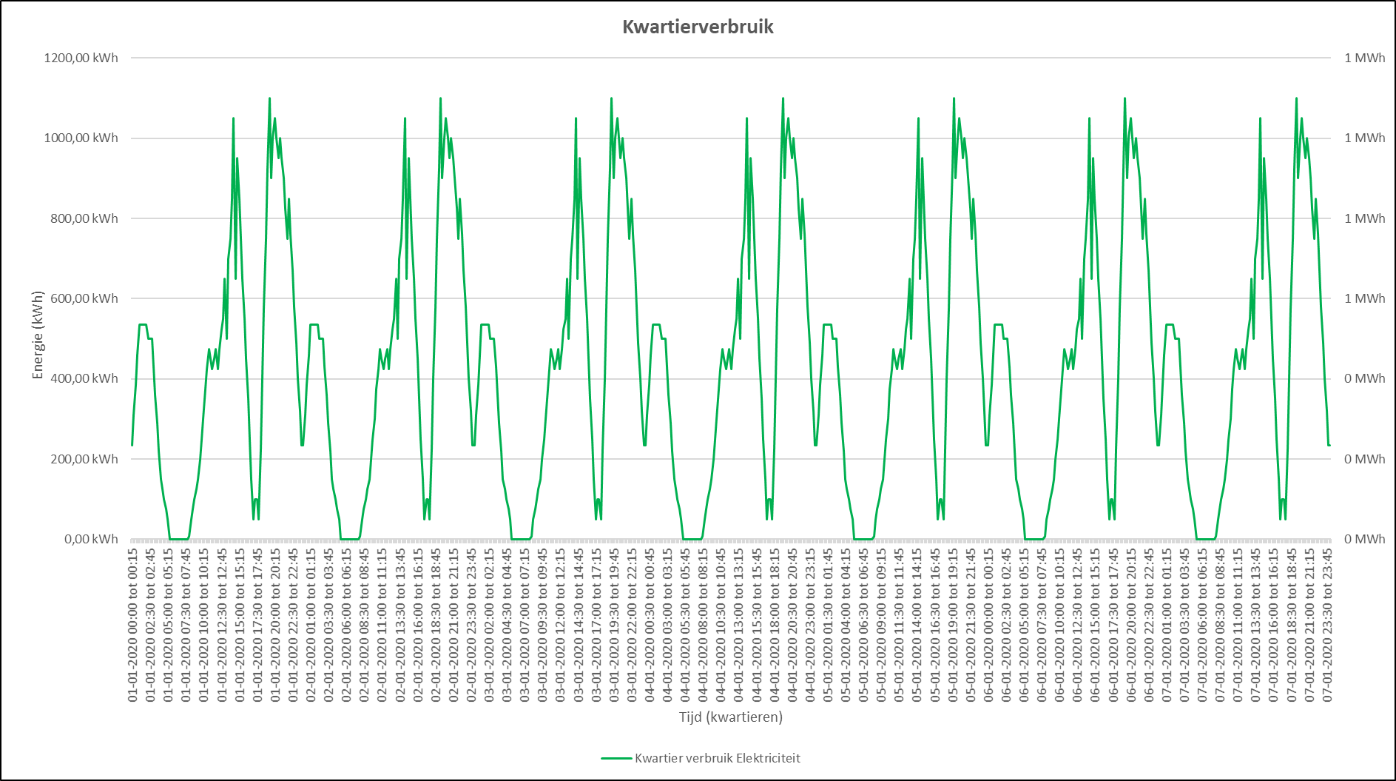
 | The consumption of electricity is probably the same every day for most users in this setting,
 | but varies throughout the day (see 15-minute use bus charging station)
 | If the heating of buildings via heat pumps is also electrically driven, the energy consumption will increase
 | not only have a day/night rhythm, but also get a seasonal rhythm.
 | The energy consumption for transport (buses and trucks) is likely to be much greater than the energy
 | consumption for heating, making the daily rhythm of transport the main component in the
 | energy consumption will continue. Both in summer and in winter.
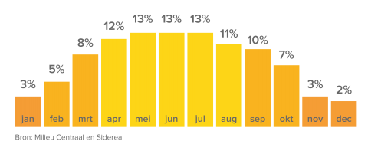
 | The day/night rhythm can be bridged in sunny periods with a temporary buffer (battery). It
 | seasonal rhythm needs such a large temporary storage (saving summer generation for winter) that |  |  |  |  |  |  | Quarterly use of bus charging station in 7 days, without taking into account the weekend
 | the size of the battery is no longer economically viable. Battery size for bridging
 | the day/night rhythm will have to be determined and then it can be seen whether this is economically feasible.

 | Assuming a bus timetable that is the same throughout the year, 8.25% per month (1/12 of the year)
 | of energy are required, while only 3% of the PV yield is generated in January and 13% in June. |  |  |  |  |  |  |  |  | Average annual production of PV panels, spread over the months
 | So for January you would need 8.25/3 = 2.75 times as many PV panels for sufficient energy, but then you would |  |  |  |  |  |  |  | In addition to being clean, the goal of the energy transition is also reliable and affordable, especially for the latter
 | in June 2.75*13/8.25 = 4.3 times more energy generation than necessary. But that also means 2.75 x 175000 |  |  |  |  |  |  |  | two further investigation is necessary. Over time, solutions will become cheaper, but a certain
 | is more than 480,000 PV panels. You can never lose that (240 football fields full). |  |  |  |  |  |  |  | level will never undercut it.

 | With an annual consumption of 31,500 MWh of electricity, this means a daily consumption of more than 86 MWh. With an imbalance |  |  |  |  |  |  |  | Research will be needed into a better estimate of consumption and the possibilities of reducing the imbalance
 | between generation and consumption, half or a quarter of this energy will be stored in a battery (between April |  |  |  |  |  |  |  | to recover. Hydrogen, battery, heat storage, extra flexible consumers, etc.
 | and September) mean a battery of 20 to 40MWh (the real value will be from simulation calculations |  |  |  |  |  |  |  | In addition, an optimal size of the solar park, so that optimal use can be made,
 | have to be calculated). A 1MWh battery costs around €300,000 and is the size of a 40-foot |  |  |  |  |  |  |  | without wasting energy, in combination with storage and purchasing of energy.
 | shipping container. Just calculate how big a battery of 20 or 40MWh is and costs. These are not the solutions |  |  |  |  |  |  |  | Zero on the meter without being able to feed back to the grid will most likely not be possible.
 | that close the business.

 | Connected load: For the 150 house connections for small temporary houses with an average consumption of 2500 kWh per year, the peak power per house is determined by the maximum consumers to be connected. The largest consumers are the washing machine (2.5 kW), the deep fryer (3 kW) and sometimes a coffee machine or other household appliance. In total, households are equipped with 1x35A = 8kVA or 3x 25A = 17.5kVA. The 1x35A (8kVA) is sufficient for most people, unless an extra large electric stove is installed with a connection value of, for example, 10kW. Since the basic principle is that gas is fired and heated, 8kVa per household is therefore sufficient. The attached example shows the performance of a random day of a household (my house) on a day that is not washed. There are short peaks when getting up (making coffee and tea) and when preparing dinner. The maximum of 8kW is far from being achieved here, but must be available for washing, ironing and other power guzzlers. Now not all people wash and fry at the same time, so the 8kW per household does not have to be multiplied by 150, but a simultaneity factor can be used. The total power that must be available for the 150 small homes is therefore much lower than 150 x 8kVA. Rather 10 to 20% of this value.

 | CO2 emissions: According to the IPPC, the average emissions for electricity (Oct 2020) in the Netherlands is 397 gCO2eq/kWh based on the fact that electricity in the Netherlands mainly comes from gas, coal and wind turbines. On windy days, CO2 emissions drop to 250g/kWh. During wind-free working days, this can rise to above 500 g/kWh. According to the IPCC, emissions are also not zero for sustainable sources, because of the production of the necessary installations and their maintenance. For hydropower 24 gCO2eq/kWh; for wind 11 gCO2eq/kWh; for solar 45 gCO2eq/kWh; for biomass 230 gCO2eq/kWh and for nuclear 12 gCO2eq/kWh. There is therefore still a lot to be achieved by using the generation of electricity by solar panels. Zero on the meter is therefore not the same as zero CO2 emissions.

Municipal Buildings
MUNICIPAL BUILDINGS |  |  | 2023 | 2023 | 2025 | 2025 | 2030 | 2030
Consumption in kW Peak | Day | Night | Day consumption profile | Night usage profile | Day consumption profile | Night usage profile | Day consumption profile | Night usage profile
Office space |  |  | 293 |  | 293 |  | 293
Paul, from kwh to KW peak estimate?? |  |  | 143,850

arouse | kWh
S3 minimum - office own use | 187,005
S2 medium - all roofs | 5,491,265
S1 maximum - all roofs and solar carport for parking area | 6,537,765

Connection |  |  | †

Legal
NZEB standards

Ambitions
Proposals BREEAM quality mark: this focuses on efficient use of raw materials and circularity

Assumption
The maximum energy requirement in kWh per m2 usable area per year cf BENG 1, office building >100 m2 GFA, is 50 kWh per m2
https://www.vereniging-bwt.nl/werkgroep-Gezond-en-energieeconomie/nieuws/2019/1/beng-vanaf-1-1-2020
From kWh per m2 to KW peak for determining the required power - taking into account office hours from 8.00-17.00, is 2,040 hours
Rule of thumb (Paul Hoorens): On a 10,000 m2 roof, 1,300 MWh generation is possible. 13,000 kWh . per 100 m2 of roof
Per 7.5 m2 of sun yields 1 kW Peak
NB: The Energy Potential Scan does not look at the gross roof surface area, but a percentage of 40% is used, which would be suitable for generating solar energy. - On 10,000 m2 roof,

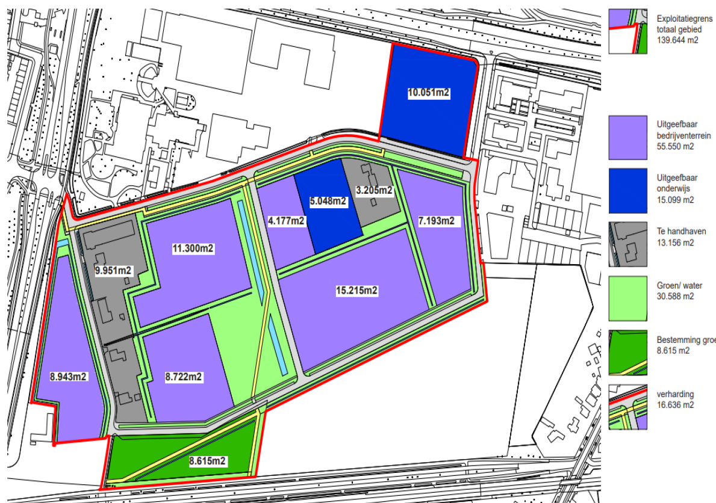
 |  |  |  | Source: Poho Improve Breda
function | How much | point of departure | calculation method
office space (+/-930 employees) | 2,877 | Key Figures | calculation model Service Center (50% activity-oriented work) Based on shared housing
parking employees/visitors office | 7,000 | Key Figures | 0.3 per employee / incl. maneuvering area
vehicle storage / tool storage / workshop (shed) | 9,262 | Key Figures | based on vehicle dimensions current fleet / including maneuvering space
Storage and production space outside | 11,620 | based on current size: decrease due to space sharing | 10% decrease Execution / 5% decrease AVS. Department Work current use.
production area/storage of goods and raw materials (shed) | 9,920 | based on current size: increase due to disassembly/post-separation/crafts | expansion of +- 2,000 m2 included
parking space for visitors Resourceful | 1,050 | Key Figures | parking standards guide/thrift shop
Environmental Street 1 | 12,500 | based on current size + necessary extra meters | estimate based on policy plan. The current size of the environmental street plot is 7,874 (excluding access road).
Environmental Street 2 | 5,000 | based on current size + extra meters | estimate based on policy plan. Current size of the environmental street plot is 3,750 (excluding access road).
Green on and transshipment | 10,000 | Current facility + 1,200 extra m2 | Estimation based on policy plan. Current size of the environmental street plot is 8,783 (excluding access road)

Rules of thumb
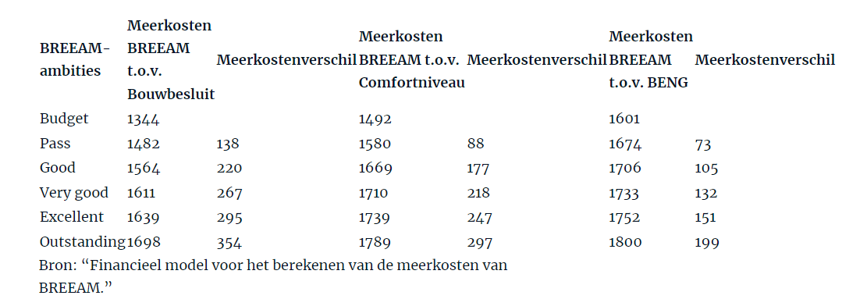
no | Rules of thumb | Subject | Source
1 | On 10,000 m2 roof, 1,300 MWh generation possible per year | arouse | Internal
2 | A panel is on average 2.5 m2 in size. When your roof is 10 m2, you can place about 4 panels on it. | panels | https://www.asndokkum.nl/hoeveel-zonnemetaal-op-plat-dak/#:~:text=How many%20zonne panels%20per%20m2%20plat,hereop%20about%204%20panels%20places.
3 | Cost of 10 panels is 5,400 euros gross / 4,500 net | Cost panel | https://www.milieucentraal.nl/energie-besparen/zonnemetaal/kosten-en- Revenue-zonnemeubelen/
4 | Payback period for solar panels is 7.5 years | TVT panel | https://www.essent.nl/kennisbank/zonnemetaal/wat-zijn-de-economie-van-zonnemeubelen/recovery-time-solar-panels
5 | The emission factor of gray power is 0.649 kgCO2per kWh. If we multiply this by an average annual consumption of 2900 to 3000 kWh of electricity, this produces an emission of 1882 to 1947 kgCO2per year. | Gray power emission factor | https://wisenederland.nl/ artikel/hoeveel-co2-schijn-bespaar-je-als-je-overstapt-op-groene-energie/#:~:text=De%20emissiefactor%20van%20grijze%20stroom,1947% 20kg%20CO2%20per%20years.
6 | 0.15 euros per kWh of electricity (including energy taxes and VAT). | Electricity rate | https://www.milieucentraal.nl/energie-besparen/inzicht-in-je-energierekening/energierekening/#:~:text=De%20energieprijs%20in%20jouw%20kalender&text=Je%20betaalt%20in%202022%20approximately, lower%20energyload%20for%20power%20is.
7 | The maximum energy requirement in kWh per m2 usable area per year cf BENG 1, office building >100 m2 GFA, is 50 kWh per m2 | Consumption per m2 | https://heatpump-weetjes.nl/relateerd/beng-norm-per-1-juli-2020/
8 | From January 1, 2021, all new construction in the Netherlands must be delivered as an “almost energy neutral building”, in short BENG. This means that buildings must be further insulated and airtight. A building at BREEAM level entails additional costs. BREEAM-NL New Construction is managed by the Dutch Green Building Council and is the hallmark in the Netherlands for integrally assessing new construction projects on sustainability performance. However, the additional costs of BREEAM decrease as the ambition levels increase (see table 5). Achieving the Outstanding level at Building Decree level requires 354 euros per square meter GFA (gross floor area) in additional costs. To arrive at BREEAM budget level with BENG, 257 euros per square meter GFA in additional initial costs is required compared to the Building Decree (€1601 – €1.344). | Additional investment BREEAM | https://www.cobouw.nl/duurzaam/nieuws/2018/03/beng-en-breeam-wat-gaat-dat-kosten-101258851?_login=1
9 | BREEAM-NL New Construction is the certification method for new construction projects. BREEAM-NL assesses your project on nine different sustainability categories: management, health, energy, transport, water, materials, waste, land use and ecology and pollution. Each category contributes in part to the total score. That score is expressed in stars. A maximum of five stars can be obtained. | BREEAM . guidelines | https://www.samenenergiebesparen.nl/measures/certification/breeam/
10 | See benefits including sustainability and operational cost savingsSubsidy possible Before you start with BREEAM-NL, you first determine which sustainable ambitions you have for your project. You are looking for the right balance between what is financially and technically feasible and your sustainable wish list. | Yields BREEAM | https://www.breeam.nl/wat-is-breeam-nl-1
11 | BREEAM-NL certificate demonstrates that it is a sustainable and high-quality building. This means that you can save on operational costs. This is also apparent from research by the World Green Building Council: an additional investment in sustainability is recouped through a reduction in energy costs, water savings and maintenance, among other things. | Yields BREEAM | https://www.facilitairjournaal.nl/breeam/
12 | Energy savings 9% comfort and 49% for BENG maximum | Yields BREEAM | https://www.cobouw.nl/duurzaam/nieuws/2018/03/beng-en-breeam-wat-gaat-dat-kosten-101258851?_login=1 | 51% | 91%
13 | Costs 630 kVa is 13,184, 1750 kVa is 29,427, 6000 kVa is 219,956, 10,000 kVa is 321,084 and price is still per additional meter of cable | Connection costs | https://www.enexis.nl/ Business/Connections/Tariffs/Tariffs Overview/eenmalige-kosten?stap=Waarvan%20wilt%20u%20de%20kosten%20weten_1_2

TIMELINE
Tipping point between financial and sustainable scenario. Depends on Payback times and TVT in the future. Depreciation periods per asset.
Subsidy unprofitable top
Note: BENG standardization of jurisprudence, do not use the full potential of the sun; business case
What bears on the road in the Every for Himself scenario! Providing arguments to stakeholders
Calculate for what is realistic - don't flatten too quickly

